Sheet1
 |  |  |  |  |  |  |  |  |  |  |  |  |  |  | Sum | 6,500.00 $
Ship | From |  | To |  | Cost/Mile |  |  |  | Nodes |  | Inflows | Outflows | Net Flow | Supply/Demand
300 | 1 | Pits | 3 | Charleston | 3 $ |  |  |  | 1 | Pits | 0 | 300 | -300 | -1300
0 | 1 | Pits | 4 | Roanoke | 5 $ |  |  |  | 2 | Staunton | 0 | 0 | 0 | -1200
0 | 2 | Staunton | 3 | Charleston | 3 $ |  |  |  | 3 | Charleston | 300 | 0 | 300 | 300
0 | 2 | Staunton | 4 | Roanoke | 5 $ |  |  |  | 4 | Roanoke | 0 | 400 | 400 | 200
0 | 3 | Charleston | 4 | Roanoke | 7 $ |  |  |  | 5 | Richmond | 0 | 800 | 800 | 800
0 | 3 | Charleston | 5 | Richmond | 9 $ |  |  |  | 6 | Norfolk | 800 | 0 | 800 | 700
0 | 3 | Charleston | 6 | Norfolk | 6 $ |  |  |  | 7 | Suffolk | 400 | 0 | 400 | 400
0 | 4 | Roanoke | 3 | Charleston | 7 $
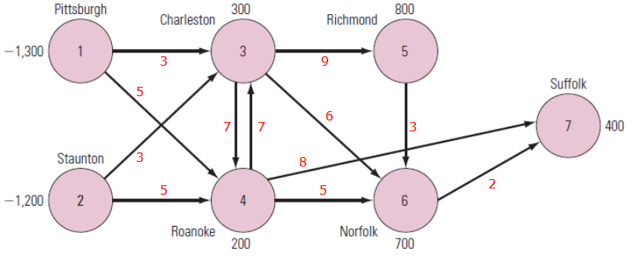
0 | 4 | Roanoke | 6 | Norfolk | 5 $
400 | 4 | Roanoke | 7 | Suffolk | 8 $
800 | 5 | Richmond | 6 | Norfolk | 3 $
0 | 6 | Norfolk | 7 | Suffolk | 2 $

 |  |  |  |  |  | ID | Location | Requirement | Type
 |  |  |  |  |  | 1 | Pits | -1300 | Supply
 |  |  |  |  |  | 2 | Staunton | -1200 | Supply
 |  |  |  |  |  | 3 | Charleston | 300 | Demand
 |  |  |  |  |  | 4 | Roanoke | 200 | Demand
 |  |  |  |  |  | 5 | Richmond | 800 | Demand
 |  |  |  |  |  | 6 | Norfolk | 700 | Demand
 |  |  |  |  |  | 7 | Suffolk | 400 | Demand

